HS Survey
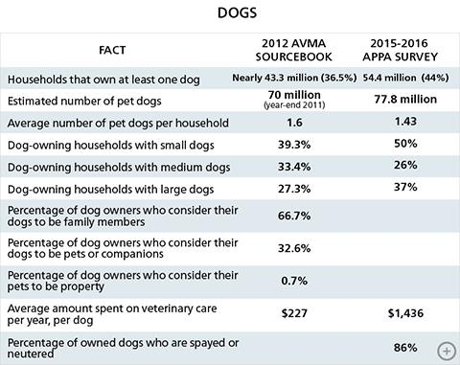

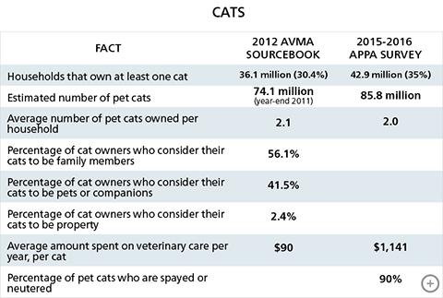

source: http://www.humanesociety.org/issues/pet_overpopulation/facts/pet_ownership_statistics.html?referrer=https://www.google.com/?referrer=http://www.humanesociety.org/issues/pet_overpopulation/facts/pet_ownership_statistics.html

